Sheet1
 | Inputs | Min | Max | Output
Bar Length | 0.35 |  |  | Feed Force | 68.6 | Engagement Length | 0.00175 | m
Grip Length | 0.18 |  |  |  |  | Grip Length | 0.0018 | m
 |  |  |  |  |  | Avg Lift Force | 15 | lbs | https://osha.oregon.gov/oshapubs/apps/liftcalc/lift-calculator.html
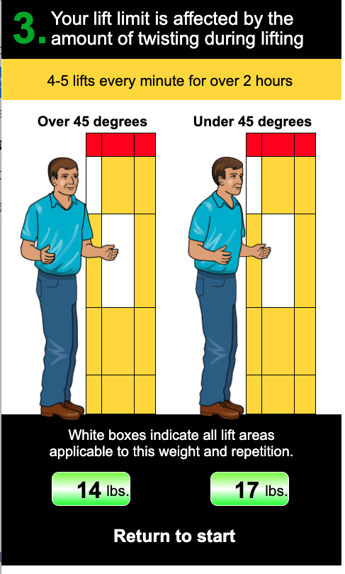
 |  |  |  |  |  |  | 66.7 | N

 |  |  |  |  |  | Balance Lift | 68.6 | N

